Sheet1
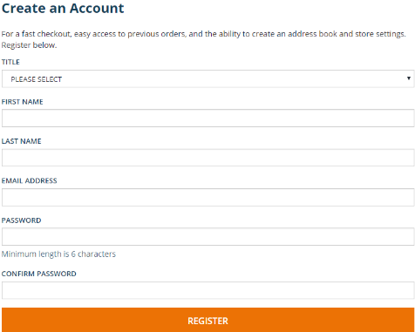
Test case Name | Test case Description | Steps | Expected Result | Actual Result | Evidence -1 | Evidence -2
Testing Sign Up Form | The Sign out Form should be displayed | 1)Open the Home Page | The sign up form should appear with | The sign up form appears with
 | on the right side of the page. | 2)Click on sign in/register to see if signup form appears | a drop down box for title, text boxes | a drop down box for title, text boxes
 |  | 3)If appears,then proceed to next test case. | for first name, last name, password, | for first name, last name, password,
 |  |  | confirm password along with a register button. | confirm password along with a register button
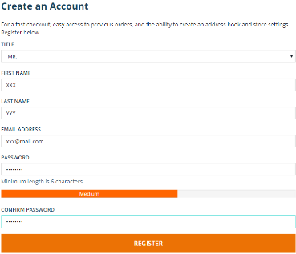
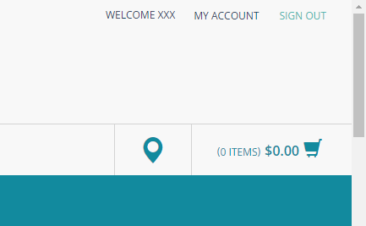
Testing The Register Button | On clicking the register button, | 1)On the signup form, enter the user's credentials and click the | On entering the user's credentials, | On entering the user's credentials,
 | the user should be able to sign up | register button. | the user should be signed up and | the user is signed up and logged in.
 | successfully and logged in. | 2)Check if the user is signed up and logged in successfully. | logged in.
 |  | 3)If successful, proceed to next test case.

Testing The Sign Out Link | On clicking sign out, the user | 1)Click the sign out link | On clicking the sign out link, | On clicking the sign out link,
 | should be logged out. | 2)Check if the user is logged out successfully | the user should be logged out. | the user logs out.
 |  | 3)If successful, all test cases are passed.
 |  |  |  |  | 